Sheet4
Student Profile Role Wise
Current Job Function/Role
General Management / Leadership
General Management / Leadership
Product Management
Operations Management
Program / Project Management
Cloud & DevOps
Manufacturing / Plant Operations
Product Management
Program / Project Management
Corporate Finance & FP&A
Manufacturing / Plant Operations
Product Management
Sales
General Management / Leadership
Business Development / Partnerships
Sales
Software Engineering / Technology
Human Resources
Other
Marketing
Finance
Other
Customer Success / Account Management
Supply Chain & Procurement
Program / Project Management
Manufacturing / Plant Operations
Other
Brand & Communication
Other
Product Management
Program / Project Management
Supply Chain & Procurement
Program / Project Management
Other
Business / Management Consulting
Program / Project Management
Program / Project Management
Brand & Communication
Software Engineering / Technology
Business / Management Consulting
Product Management
Other
Brand & Communication
Supply Chain & Procurement
Business Development / Partnerships
Software Engineering / Technology
Business / Management Consulting
Program / Project Management
Product Management
Product Management
Supply Chain & Procurement
Operations Management
Software Engineering / Technology
Program / Project Management
Program / Project Management
Cybersecurity / IT Governance
Product Management
Software Engineering / Technology
Supply Chain & Procurement
Strategy
Strategy
General Management / Leadership
Program / Project Management

Sheet3
Current Job Sector/Industry
Automotive
Banking, Financial Services & Insurance (BFSI)
Banking, Financial Services & Insurance (BFSI)
Banking, Financial Services & Insurance (BFSI)
Banking, Financial Services & Insurance (BFSI)
Banking, Financial Services & Insurance (BFSI)
Consulting
Consulting
Consulting
Consulting
Consulting
Energy / Power / Utilities
Energy / Power / Utilities
Energy / Power / Utilities
FinTech
FMCG / Consumer Goods
FMCG / Consumer Goods
FMCG / Consumer Goods
FMCG / Consumer Goods
FMCG / Consumer Goods
FMCG / Consumer Goods
FMCG / Consumer Goods
Government / Public Sector
Government / Public Sector
Logistics & Supply Chain
Logistics & Supply Chain
Logistics & Supply Chain
Manufacturing / Industrial Engineering
Manufacturing / Industrial Engineering
Manufacturing / Industrial Engineering
Media & Entertainment
Other
Other
Other
Other
Other
Other
Other
Pharmaceuticals / Life Sciences
Pharmaceuticals / Life Sciences
Student Profile Industry Wise
Pharmaceuticals / Life Sciences
Pharmaceuticals / Life Sciences
Real Estate / Infrastructure
Real Estate / Infrastructure
Retail
Retail
Social Sector / Non-Profit
Technology / IT Services / Software Product
Technology / IT Services / Software Product
Technology / IT Services / Software Product
Technology / IT Services / Software Product
Technology / IT Services / Software Product
Technology / IT Services / Software Product
Technology / IT Services / Software Product
Technology / IT Services / Software Product
Technology / IT Services / Software Product
Technology / IT Services / Software Product
Technology / IT Services / Software Product
Technology / IT Services / Software Product
Technology / IT Services / Software Product
Technology / IT Services / Software Product
Technology / IT Services / Software Product
Telecommunications

Sheet2
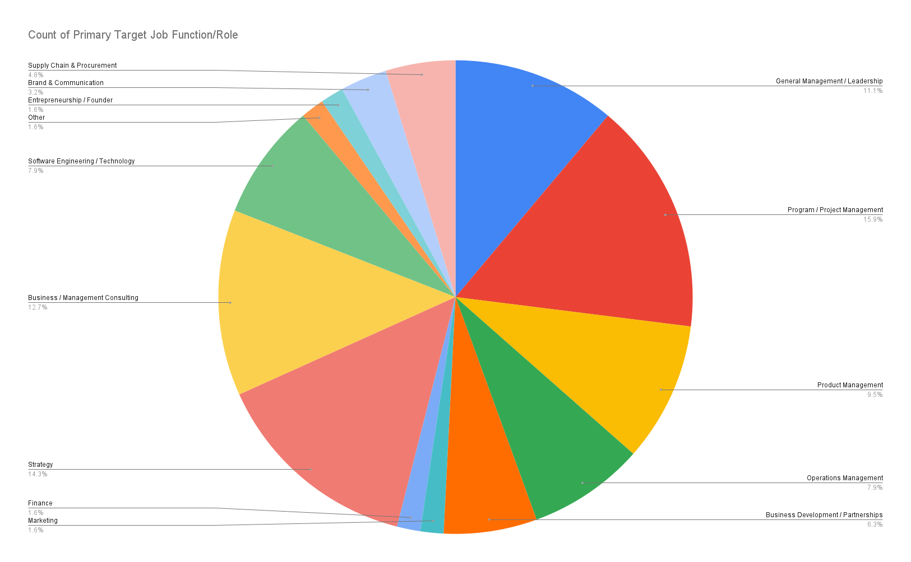
Primary Target Job Function/Role
General Management / Leadership
Program / Project Management
Product Management
Operations Management
Business Development / Partnerships
Program / Project Management
Operations Management
Marketing
Program / Project Management
Finance
Strategy
General Management / Leadership
General Management / Leadership
Business Development / Partnerships
Business / Management Consulting
Business / Management Consulting
Software Engineering / Technology
Other
Strategy
Strategy
Entrepreneurship / Founder
Strategy
Business Development / Partnerships
Operations Management
Program / Project Management
General Management / Leadership
Strategy
Brand & Communication
Operations Management
Program / Project Management
General Management / Leadership
Supply Chain & Procurement
Program / Project Management
Business Development / Partnerships
Strategy
Product Management
Program / Project Management
Brand & Communication
Software Engineering / Technology
Strategy
Software Engineering / Technology
Business / Management Consulting
General Management / Leadership
Supply Chain & Procurement
Business / Management Consulting
Business / Management Consulting
Business / Management Consulting
Program / Project Management
Product Management
Product Management
Strategy
Operations Management
Software Engineering / Technology
Program / Project Management
Program / Project Management
Product Management
Product Management
Software Engineering / Technology
Supply Chain & Procurement
Business / Management Consulting
Strategy
General Management / Leadership
Business / Management Consulting

Sheet1
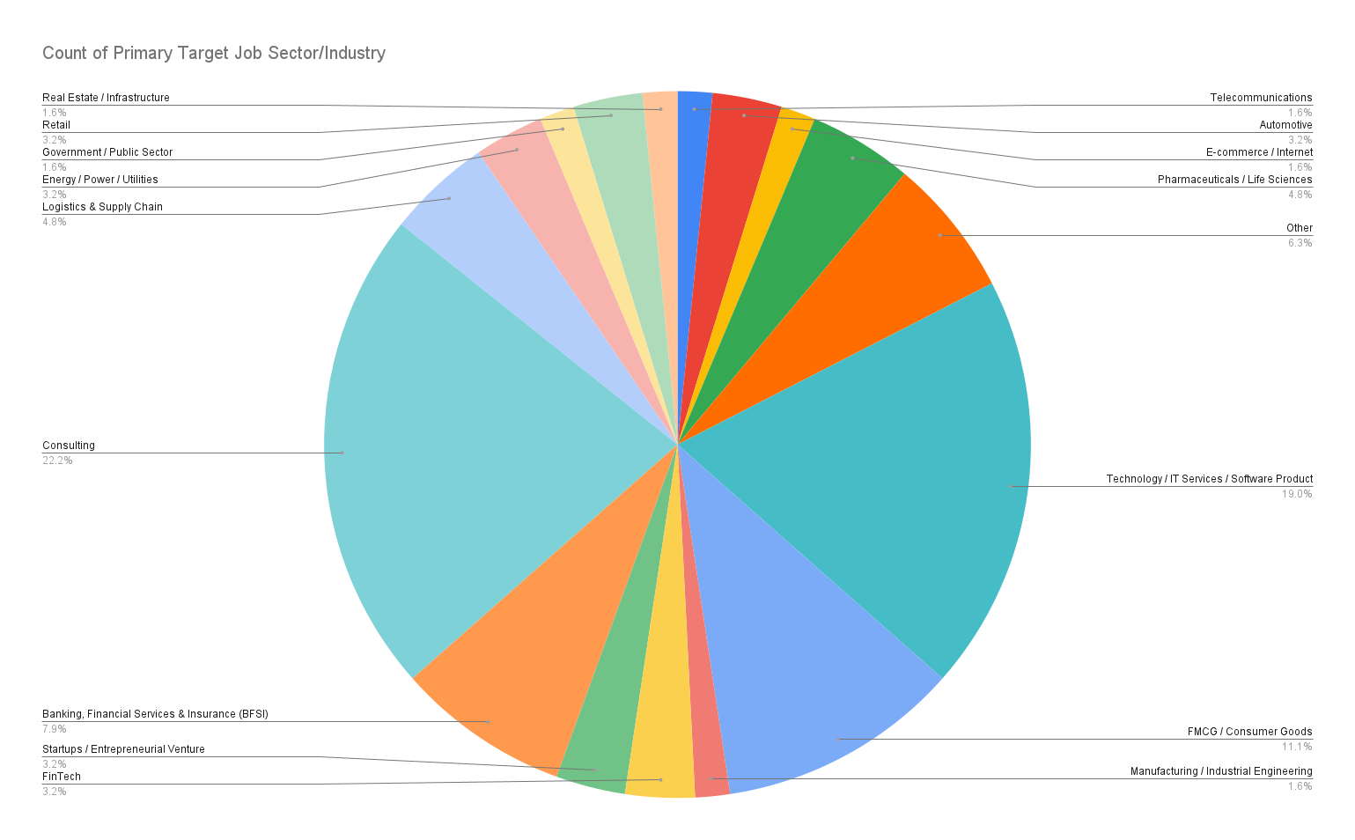
Primary Target Job Sector/Industry
Telecommunications
Automotive
E-commerce / Internet
Pharmaceuticals / Life Sciences
Other
Technology / IT Services / Software Product
Pharmaceuticals / Life Sciences
FMCG / Consumer Goods
Other
Other
Manufacturing / Industrial Engineering
FinTech
FMCG / Consumer Goods
Startups / Entrepreneurial Venture
Banking, Financial Services & Insurance (BFSI)
Consulting
Consulting
Technology / IT Services / Software Product
FMCG / Consumer Goods
Consulting
Startups / Entrepreneurial Venture
Consulting
FMCG / Consumer Goods
Consulting
FMCG / Consumer Goods
Automotive
Consulting
Technology / IT Services / Software Product
Logistics & Supply Chain
FinTech
Consulting
Other
Energy / Power / Utilities
Pharmaceuticals / Life Sciences
Consulting
Consulting
Government / Public Sector
Retail
Technology / IT Services / Software Product
Logistics & Supply Chain
Technology / IT Services / Software Product
Banking, Financial Services & Insurance (BFSI)
Technology / IT Services / Software Product
Logistics & Supply Chain
Consulting
Consulting
Consulting
Technology / IT Services / Software Product
FMCG / Consumer Goods
Technology / IT Services / Software Product
Technology / IT Services / Software Product
Consulting
Technology / IT Services / Software Product
Energy / Power / Utilities
Real Estate / Infrastructure
Technology / IT Services / Software Product
Banking, Financial Services & Insurance (BFSI)
Technology / IT Services / Software Product
FMCG / Consumer Goods
Banking, Financial Services & Insurance (BFSI)
Retail
Banking, Financial Services & Insurance (BFSI)
Consulting

